Report-United States of America
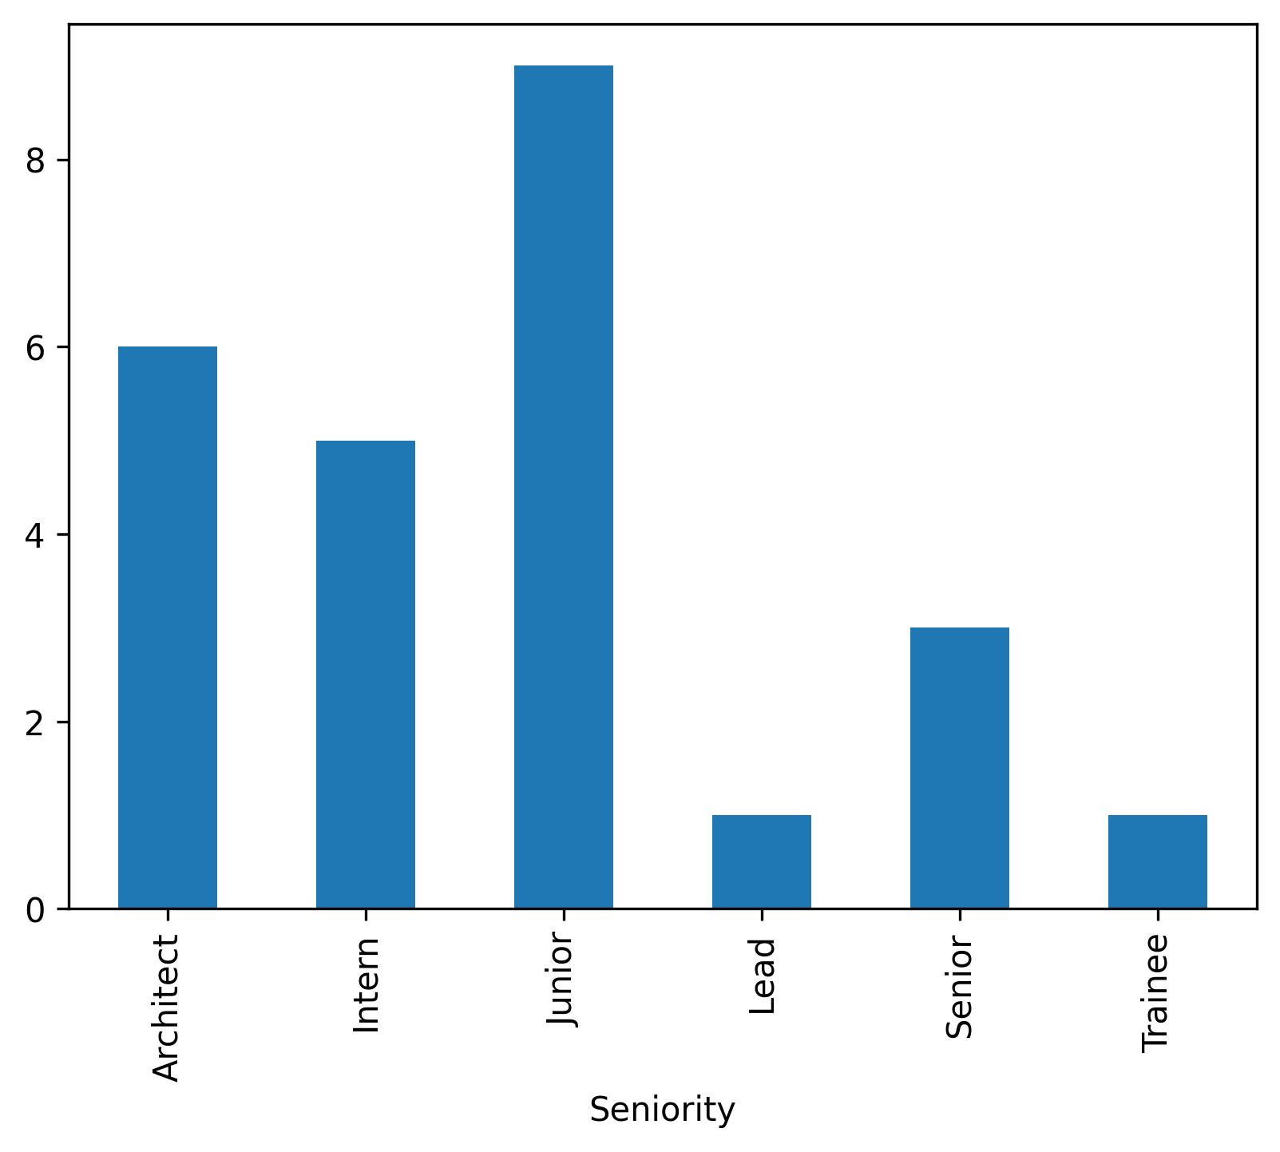
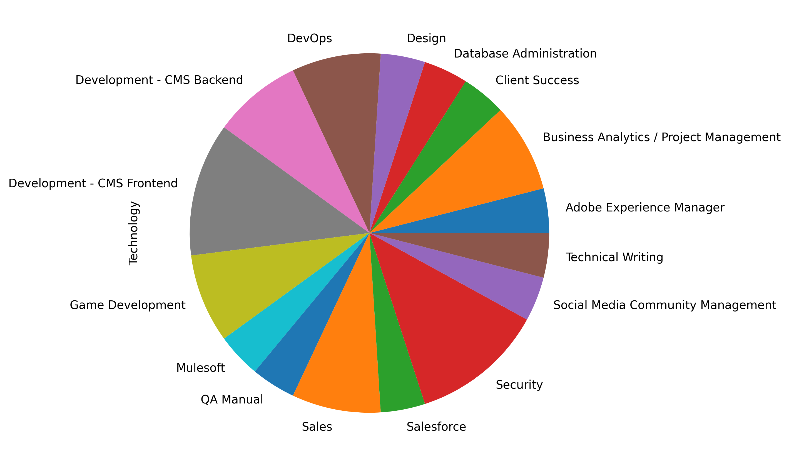
FirstName | LastName | Email | ApplicationDate | Country | YOE | Seniority | Technology | CodeChallengeScore | TechnicalInterviewScore
Ida | Davis | kasey.hettinger15@gmail.com | 2021-09-02 | United States of America | 23 | Intern | Security | 8 | 10
Josefina | Wuckert | demarcus95@hotmail.com | 2021-02-14 | United States of America | 16 | Junior | QA Manual | 7 | 7
Flossie | Lubowitz | mariela15@yahoo.com | 2018-11-30 | United States of America | 29 | Architect | Adobe Experience Manager | 9 | 10
Jaylen | Von | edwin_reilly74@hotmail.com | 2021-12-26 | United States of America | 30 | Intern | DevOps | 7 | 8
Alberta | Ankunding | tyrique_kuvalis4@hotmail.com | 2019-10-06 | United States of America | 4 | Junior | Design | 9 | 10
Claudia | Waters | loyal54@hotmail.com | 2022-01-16 | United States of America | 22 | Junior | Game Development | 7 | 7
Marshall | Murazik | diego.windler22@gmail.com | 2018-11-29 | United States of America | 20 | Architect | Mulesoft | 10 | 9
Albin | Wehner | paige_harvey53@hotmail.com | 2019-03-26 | United States of America | 1 | Architect | Database Administration | 9 | 8
Fleta | Hauck | alec.koss5@yahoo.com | 2018-09-04 | United States of America | 2 | Intern | Technical Writing | 8 | 8
Kade | Purdy | mervin_ratke@yahoo.com | 2019-03-29 | United States of America | 2 | Senior | Business Analytics / Project Management | 8 | 8
Leilani | Windler | lila34@hotmail.com | 2022-06-26 | United States of America | 16 | Trainee | Development - CMS Backend | 7 | 9
Khalil | McGlynn | howard_wintheiser@yahoo.com | 2018-08-27 | United States of America | 10 | Senior | Development - CMS Frontend | 7 | 10
Percival | Skiles | ebony.ferry@gmail.com | 2020-02-02 | United States of America | 15 | Junior | Development - CMS Frontend | 9 | 10
Eugene | Parker | hannah_funk0@yahoo.com | 2020-06-15 | United States of America | 2 | Lead | Salesforce | 7 | 10
Kari | Huels | flo_hackett93@hotmail.com | 2022-06-14 | United States of America | 13 | Architect | Security | 8 | 10
Aaron | Jones | dante_mueller@hotmail.com | 2020-03-05 | United States of America | 23 | Intern | Game Development | 8 | 7
Marilie | Rosenbaum | syble_erdman@hotmail.com | 2021-04-28 | United States of America | 26 | Junior | Sales | 8 | 9
Adrianna | Schamberger | adela_hansen@hotmail.com | 2020-11-09 | United States of America | 17 | Junior | Social Media Community Management | 8 | 7
Robert | Reinger | edison6@gmail.com | 2022-03-11 | United States of America | 13 | Architect | Business Analytics / Project Management | 10 | 8
Ken | Halvorson | leslie.johnston@yahoo.com | 2021-01-01 | United States of America | 6 | Junior | Security | 7 | 8
Brandt | Tromp | marjolaine.friesen@yahoo.com | 2021-11-04 | United States of America | 10 | Senior | Development - CMS Frontend | 8 | 9
Tyra | Romaguera | kendra.kerluke@hotmail.com | 2021-03-04 | United States of America | 20 | Intern | Development - CMS Backend | 10 | 9
Janiya | Becker | karine_ruecker@gmail.com | 2022-04-14 | United States of America | 1 | Architect | Sales | 9 | 9
Alanis | Harvey | eileen.lebsack96@hotmail.com | 2018-06-24 | United States of America | 11 | Junior | DevOps | 9 | 10
Mortimer | Murphy | kelton41@yahoo.com | 2021-01-15 | United States of America | 24 | Junior | Client Success | 8 | 7

